Finshing Report
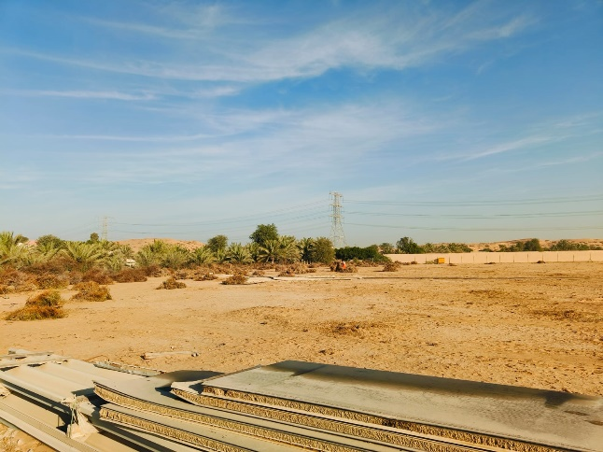
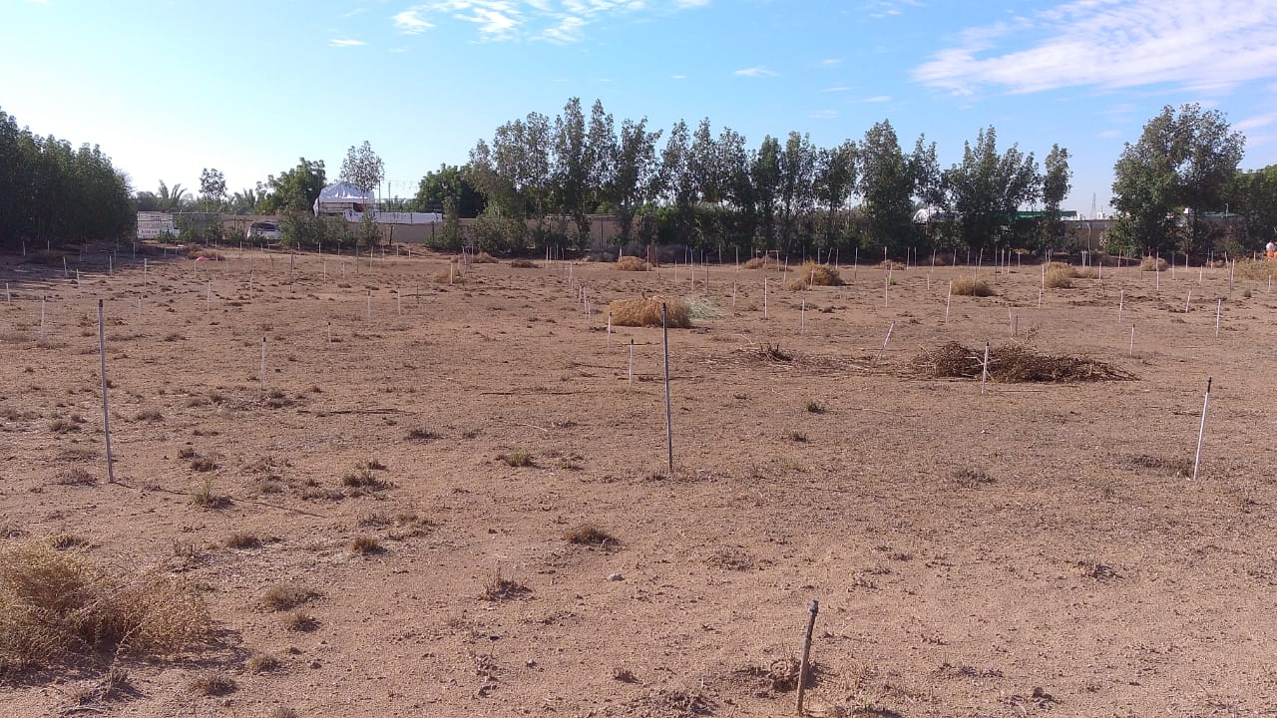
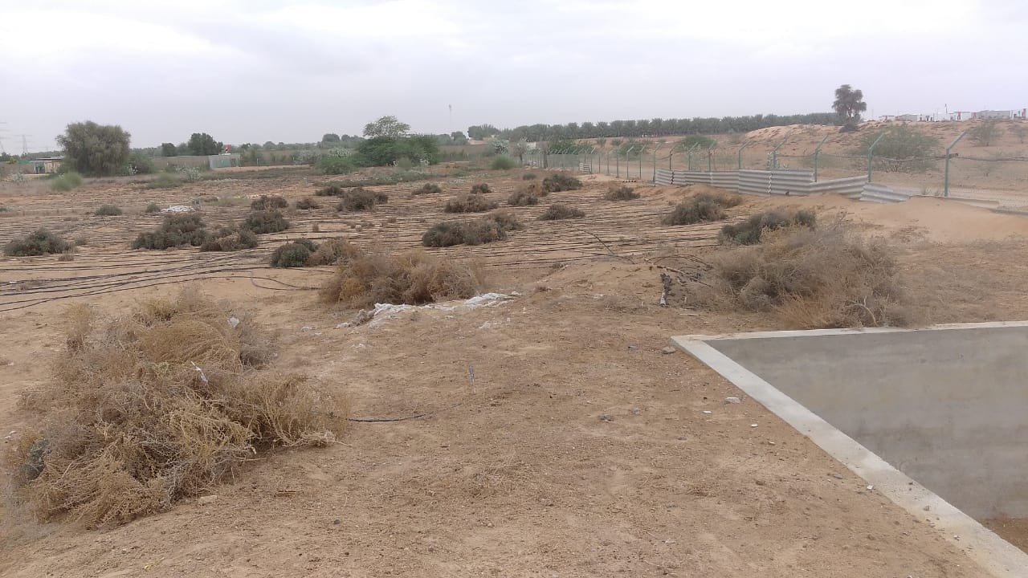
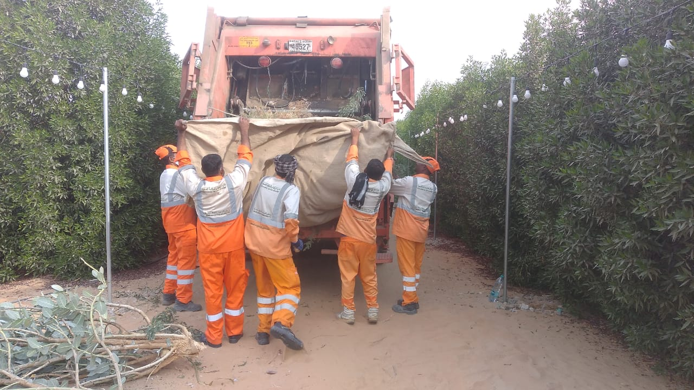
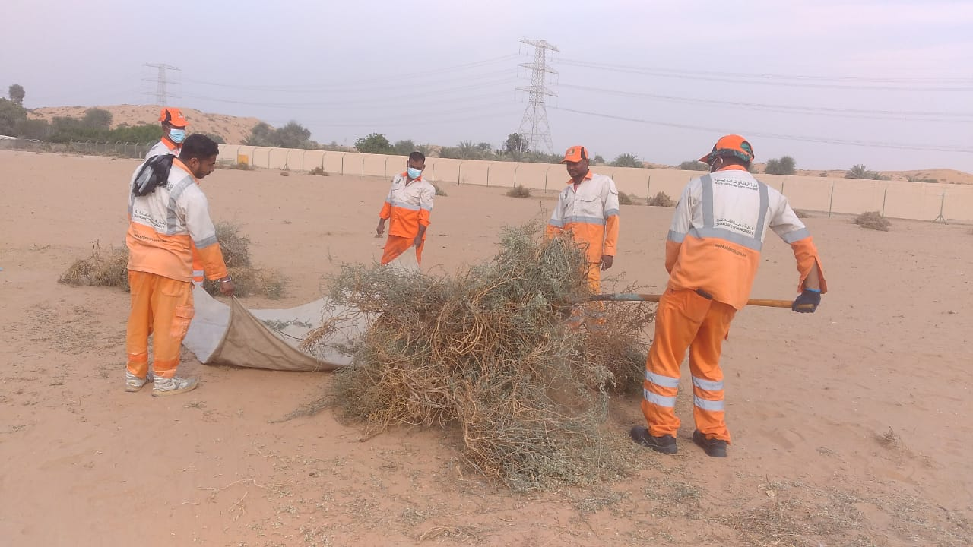
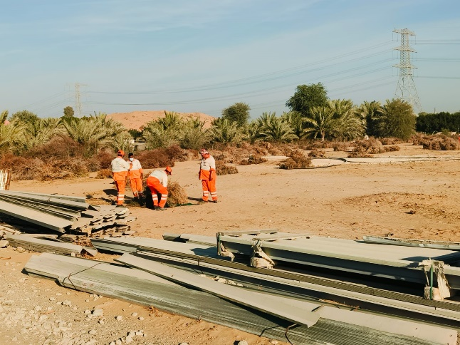
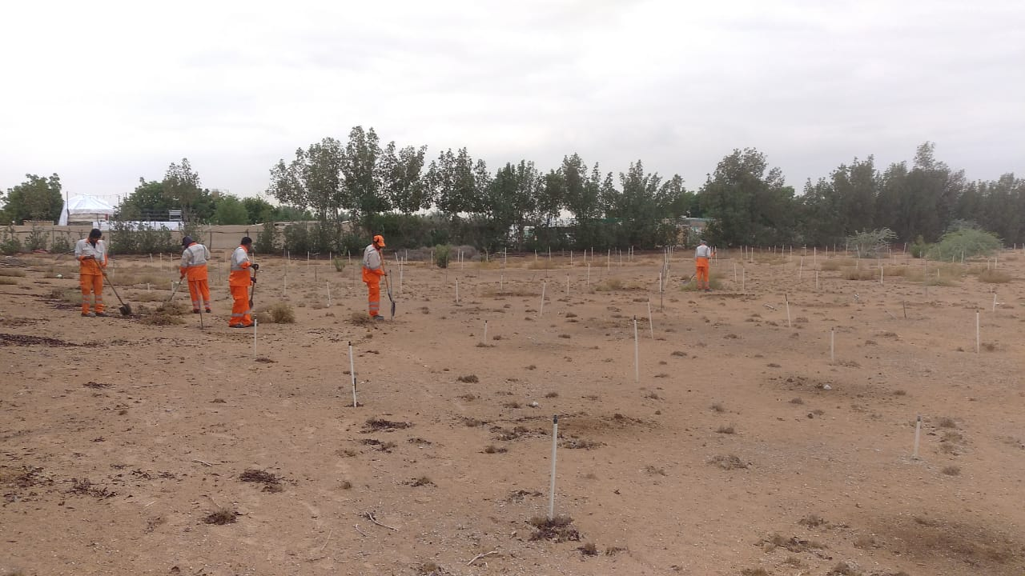
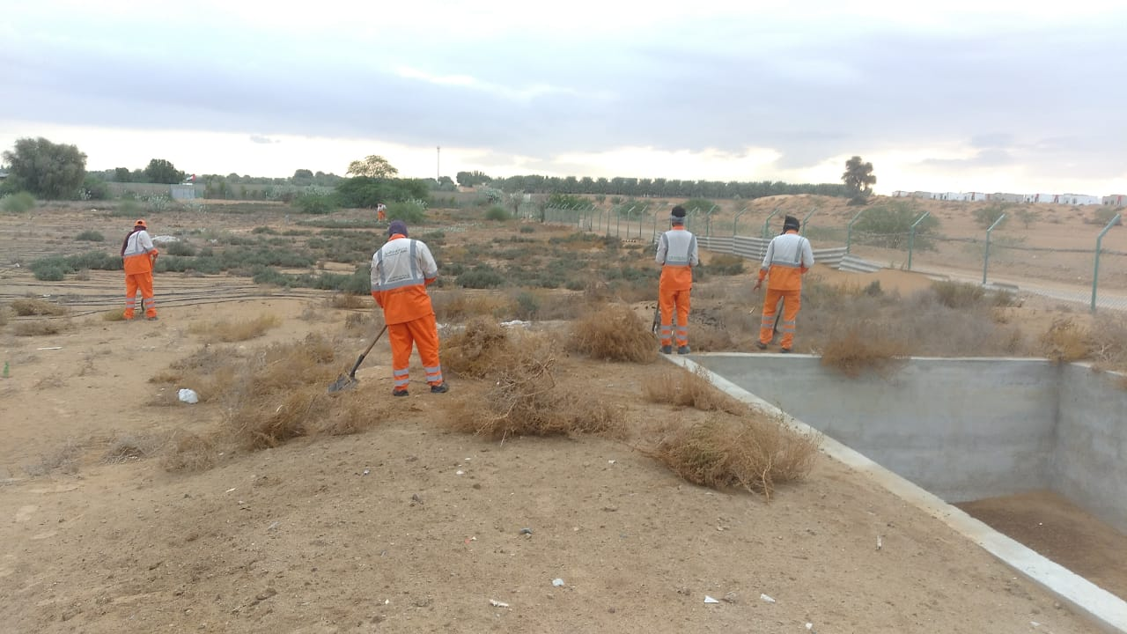
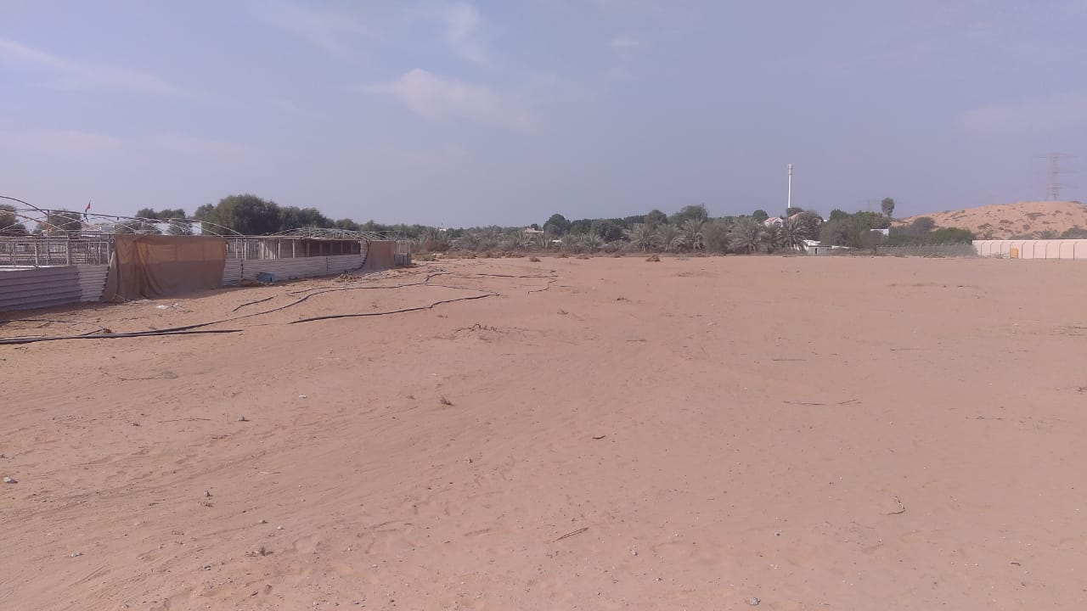
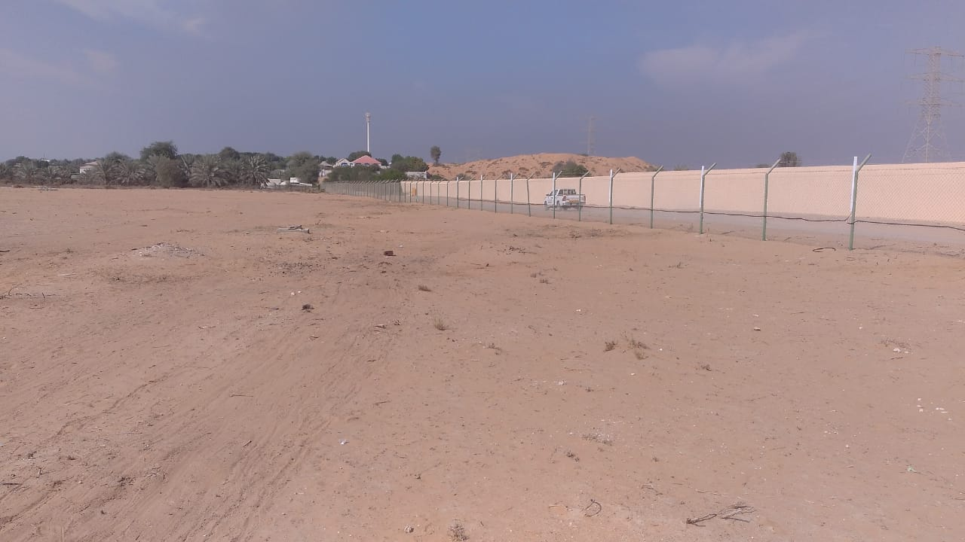
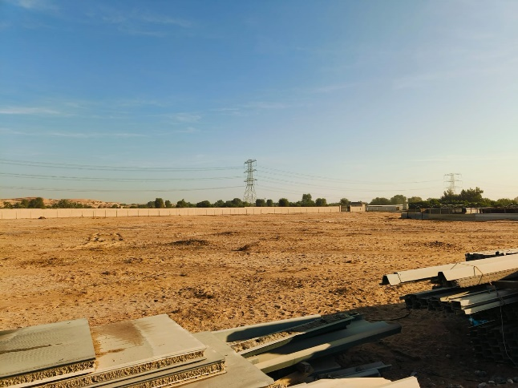
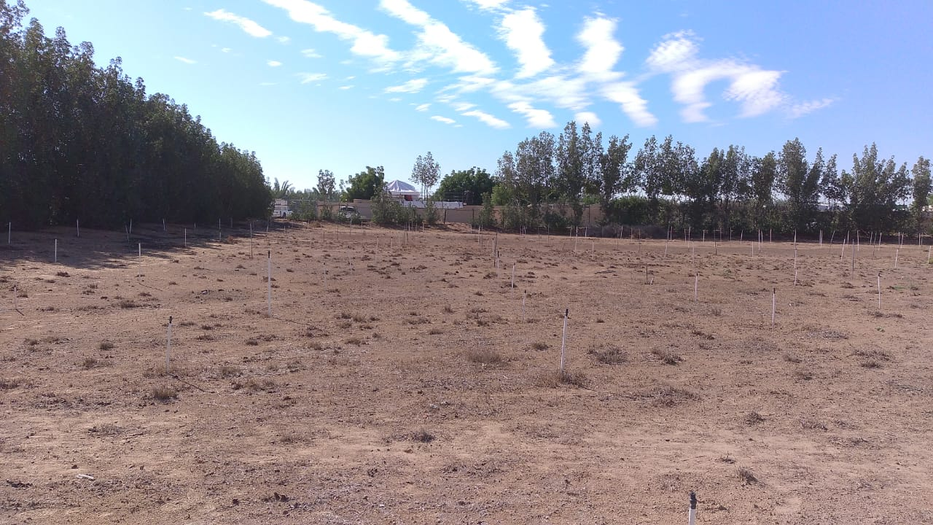
نموذج تقرير النظافة التفصيلي

Health and Safety Control Department الادارة: إدارة الرقابة والسلامة الصحية

 |  |  |  |  |  |  |  |  |  |  |  |  | 2026-04-09
Sheikh Sultan bin Khalid Al-Qasimi's farm Work Report (Al labsa)

Job Info: |  |  |  |  |  |  |  |  |  |  |  |  | معلومات العمل :
رقم العمل Job Number |  | 463926 |  |  |  |  | بداية العمل Start Date |  |  | 4-Dec-25
مكان العمل Work Place |  | Sheikh Sultan bin Khalid Al-Qasimi's farm |  |  |  |  | نهاية العمل End Date |  |  | 5-Jan-26
منطقة Area Name |  | Al labsa |  |  |  |  | عدد أيام العمل No of Working Days |  |  | 16
طلبت من الإدارة Requested Dept |  | Hotline |  |  |  |  | الحالة Status |  |  | Completed
ملاحظات Notes

Cost Info: |  |  |  |  |  |  |  | معلومات التكاليف :
عمال Labors | بيــــك أب Pickups | سيارة التنظيف بضغط المياه Water Pressure Vehicles | سيارة بروش Brush Vehicles | بـــوب كـات Bobcuts | كوكــا Kukas | سيارة ماء حلو Water Tanker | مكينة قطع الأشجار Wood Chipper | الإجمالي Total
8957 | 3000 | 0 | 0 | 560 | 3500 | 0 | 0 | 16017

Job Details: |  |  |  |  |  |  |  |  |  |  |  |  | تفاصيل العمل :
م | تاريخ | طبيعة العمل | عدد عمال | بيــــك أب | سيارة التنظيف بضغط المياه | سيارة بروش | بـــوب كـات | كوكــا | سيارة ماء حلو | مكينة قطع الأشجار | سيارات | نوع المركبة | الوقت
Serial No | Date | Work Type | Number of Labors | Pickup | Water Pressure Vehicle | Brush Vehicle | Bobcut | Kuka | Water Tanker | Wood Chipper | Total Vehicles | Vehicle Type | Timing
577 | 2025-12-04 | Tree Cutting | 10 | 1 | 0 | 0 | 1 | 1 | 0 | 0 | 3 | Pickup 1 Bobcut 1 Kuka 1 | 05:30AM To 12:30PM
579 | 2025-12-06 | Tree Cutting | 12 | 1 | 0 | 0 | 0 | 0 | 0 | 0 | 1 | Pickup 1 | 05:30AM To 12:30PM
581 | 2025-12-07 | Tree Cutting | 12 | 1 | 0 | 0 | 0 | 0 | 0 | 0 | 1 | Pickup 1 | 05:30AM To 12:30PM
583 | 2025-12-08 | Tree Cutting | 12 | 1 | 0 | 0 | 0 | 1 | 0 | 0 | 2 | Pickup 1 Kuka 1 | 05:30AM To 12:30PM
592 | 2025-12-09 | Tree Cutting | 8 | 1 | 0 | 0 | 0 | 1 | 0 | 0 | 2 | Pickup 1 Kuka 1 | 05:30AM To 12:30PM
594 | 2025-12-10 | Tree Cutting | 8 | 1 | 0 | 0 | 0 | 1 | 0 | 0 | 2 | Pickup 1 Kuka 1 | 05:30AM To 12:30PM
603 | 2025-12-11 | Tree Cutting | 4 | 1 | 0 | 0 | 0 | 1 | 0 | 0 | 2 | Pickup 1 Kuka 1 | 05:30AM To 12:30PM
606 | 2025-12-13 | Tree Cutting | 18 | 1 | 0 | 0 | 0 | 1 | 0 | 0 | 2 | Pickup 1 Kuka 1 | 05:30AM To 12:30PM
610 | 2025-12-15 | Tree Cutting | 7 | 1 | 0 | 0 | 0 | 1 | 0 | 0 | 2 | Pickup 1 Kuka 1 | 05:30AM To 12:30PM
618 | 2025-12-16 | Tree Cutting | 12 | 1 | 0 | 0 | 0 | 1 | 0 | 0 | 2 | Pickup 1 Kuka 1 | 05:30AM To 12:30PM
634 | 2025-12-24 | Tree Cutting | 13 | 1 | 0 | 0 | 0 | 1 | 0 | 0 | 2 | Pickup 1 Kuka 1 | 05:30AM To 12:30PM
641 | 2025-12-25 | Tree Cutting | 13 | 1 | 0 | 0 | 0 | 1 | 0 | 0 | 2 | Pickup 1 Kuka 1 | 05:30AM To 12:30PM
647 | 2025-12-27 | Tree Cutting | 12 | 1 | 0 | 0 | 0 | 1 | 0 | 0 | 2 | Pickup 1 Kuka 1 | 05:30AM To 12:30PM
654 | 2025-12-29 | Tree Cutting | 10 | 1 | 0 | 0 | 0 | 1 | 0 | 0 | 2 | Pickup 1 Kuka 1 | 05:30AM To 12:30PM
656 | 2025-12-30 | Tree Cutting | 10 | 1 | 0 | 0 | 0 | 1 | 0 | 0 | 2 | Pickup 1 Kuka 1 | 05:30AM To 12:30PM
667 | 2026-01-05 | Tree Cutting | 8 | 0 | 0 | 0 | 0 | 1 | 0 | 0 | 1 | Kuka 1 | 05:30AM To 12:30PM
Total |  |  | 169 | 15 | 0 | 0 | 1 | 14 | 0 | 0 | 30

work pictures |  |  |  |  |  |  | صورة العمل

